Sheet1
IMAGE | STYLE # | DESCRIPTION | MSRP | W/L | 29 | 30 | 31 | 32 | 33 | 34 | 36 | 38 | TOTAL
 | A9213-0011 | 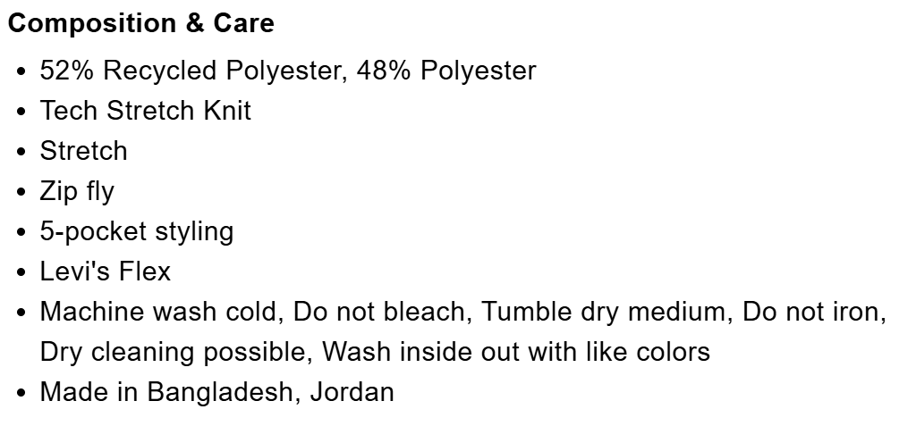 511™ Slim Tech Men's Pants-NAVY WAVES | $69.50 | 30 | 68 | 61 | 175 | 630 | 403 | 639 | 397 | 174 | 2547
 |  |  |  | 32 | 212 | 12 | 229 | 231 | 121 | 313 | 148 | 135 | 1401
 |  |  |  | 34 |  | 1 |  | 2 |  | 214 | 98 |  | 315
 |  |  |  |  |  |  |  |  |  |  |  |  | 4263

IMAGE | STYLE # | DESCRIPTION | MSRP | W/L | 29 | 30 | 31 | 32 | 33 | 34 | 36 | 38 | TOTAL
 | A9213-0016 | 511™ Slim Tech Men's Pants- BROWN WALNUT | $69.50 | 30 | 72 | 209 | 228 | 383 | 393 | 533 | 410 | 177 | 2405
 |  |  |  | 32 | 82 | 118 | 182 | 245 | 431 | 341 | 229 | 132 | 1760
 |  |  |  | 34 |  |  |  |  | 2 | 113 | 183 |  | 298
 |  |  |  |  |  |  |  |  |  |  |  |  | 4463

IMAGE | STYLE # | DESCRIPTION | MSRP | W/L | 29 | 30 | 31 | 32 | 33 | 34 | 36 | 38 | TOTAL
 | A9213-0010 | 511™ Slim Tech Men's Pants-BLACK | $69.50 | 30 | 34 |  | 13 | 1393 | 270 | 1351 | 639 | 449 | 4149
 |  |  |  | 32 | 357 | 12 | 588 | 248 | 60 | 280 | 244 | 258 | 2047
 |  |  |  | 34 |  |  |  | 21 |  | 624 | 355 |  | 1000
 |  |  |  |  |  |  |  |  |  |  |  |  | 7196

